MAZE
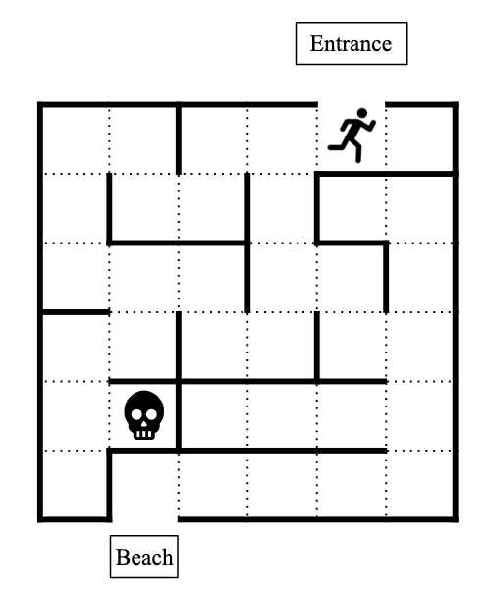
 |  |  |  |  |  |  | L | B | T | R
 |  | =CHOOSE(RANDBETWEEN(1,C6),K2,L2,M2,N2) |  |  |  | 5A | L |  |  |  | 1 |  | A | B | C
 |  |  |  |  |  | 2
 | Player |  |  | Boss |  | 3
Position | Potential Moves | Move | Position | Potential Moves | Move | 4
5A | 2 | L | 2E | 1 | L | 5
4A |  |  | 1E | 3 |  | 6
 |  |  |  |  |  | 7
 |  |  |  |  |  | 8
 |  |  |  |  |  | 9
 |  |  |  |  |  | 10
 |  |  |  |  |  | 11
 |  |  |  |  |  | 12
 |  |  |  |  |  | 13
 |  |  |  |  |  | 14
 |  |  |  |  |  | 15
 |  |  |  |  |  | 16
 |  |  |  |  |  | 17
 |  |  |  |  |  | 18
 |  |  |  |  |  | 19
 |  |  |  |  |  | 20
 |  |  |  |  |  | 21
 |  |  |  |  |  | 22 |  |  |  |  |  | 1A | 2A | 3A | 4A | 5A | 6A
 |  |  |  |  |  | 23 |  |  |  |  |  | 1B | 2B | 3B | 4B | 5B | 6B
 |  |  |  |  |  | 24 |  |  |  |  |  | 1C | 2C | 3C | 4C | 5C | 6C
 |  |  |  |  |  | 25 |  |  |  |  |  | 1D | 2D | 3D | 4D | 5D | 6D
 |  |  |  |  |  | 26 |  |  |  |  |  | 1E | 2E | 3E | 4E | 5E | 6E
 |  |  |  |  |  | 27 |  |  |  |  |  | 1F | 2F | 3F | 4F | 5F | 6F
 |  |  |  |  |  | 28
 |  |  |  |  |  | 29
 |  |  |  |  |  | 30
 |  |  |  |  |  | 31
 |  |  |  |  |  | 32
 |  |  |  |  |  | 33
 |  |  |  |  |  | 34
 |  |  |  |  |  | 35
 |  |  |  |  |  | 36

